Sheet1
Name | Image | Details
cow.png |  | cow enemy
cannon.png | 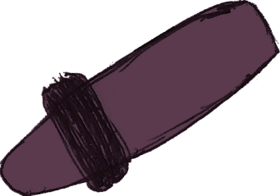 | cannon
wheel.png |  | cannon's wheel

